451016
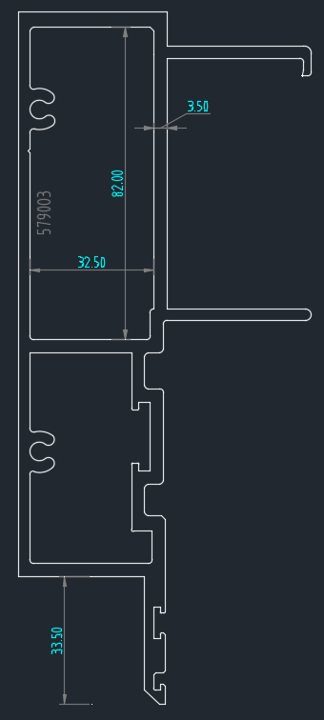
 |  |  |  |  |  |  |  |  |  | Aluminium Design Manual 2015
 | Ys | 16.906
 | Ybot | 103.71
 | X | 33.5 | Moment |  | Material properties |  | Length |  |  | Me | 1405371 | 1.41 |  |  | Bc | 190.11065994
 |  |  | Mmax | 150 | fy | 172 | Lb | 1800 |  |  |  |  |  |  | Dc | 0.99074225083
C1 | 0.4633 |  | MA | 80 | E | 70000 | Lz | 1800 |  |  |  |  |  |  | Cc | 78.673712069 |  |  |  |  |  |  |  | 0.47745949035
C2 | 0.5311 |  | MB | 150 | µ | 0.32 |  |  |  | λ | 112.00
go | 58.954 |  | MC | 80 | J | 8.46E+02 | Ix | 6.20E+05 |  |  |  |  |  |  |  |  |  |  |  |  |  |  |  | 0.202441426
j | -10.426 |  |  |  | G | 26515 | Iy | 6.29E+04 |  |  |  |  |  |  | Z | 1.48E+04 | Zpx |  |  |  |  |  |  | 0.24528471261
 |  |  | Cb | 1.13 |  |  | Ag | 5.01E+02 |  |  |  |  |  |  | Sc | 2.55E+04 | Sx Top
U | 21.776 |  |  | 1.289 |  |  |  |  |  |  |  |  |  |  | 1.5Sc | 38278.5
 |  |  |  |  |  |  | rx | 35.17 |  |  |  |  |  |  | St | 2.52E+04 | Sx Bottom
 |  |  |  |  |  |  | ry | 11.20 |  |  |  |  |  |  | 1.5St | 37838
 |  |  |  |  |  |  |  |  |  |  |  |  |  |  | Mnp | 2.540784
 |  |  |  |  |  |  | ky | 1 |  |  | 2.9787348953
 |  |  |  |  |  |  | kz | 1 |  |  |  |  |  |  | Sxc | 25519
 | Note: go is negative when the load is acting towards the shear centre (positive) |  |  |  |  |  |  |  |  |  |  |  |  |  |  |  |  |  |  |  | 1200 | 3.0990760306 | 1.8839127766
 | Go = Y Bot - X (see below) + Ys |  |  |  |  |  | xo | -8.58E+00 | Xs |  |  |  |  |  |  |  |  |  |  |  | 1800 | 2.1718652824 | 0.94329480768
 |  |  |  |  |  |  | yo | 1.08E+01 | Ys | Mnmb | 1.41 | kNm |  |  |  |  |  |  |  |  | 2400 | 1.3444286728 | 0.60260885681
 |  |  |  |  |  |  |  |  |  |  |  |  |  |  |  |  |  |  |  |  | 3000 | 0.91318897495 | 0.44007165266
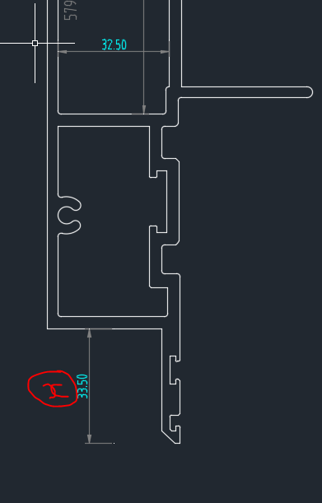
 |  |  |  |  |  |  | ro | 39.42 |  |  |  |  |  |  |  |  |  |  |  |  | 3600 | 0.67529718554 | 0.34782000838
 |  |  |  |  |  |  |  |  |  |  |  |  |  |  |  |  |  |  |  |  | 4200 | 0.52891887842 | 0.28904147516
 |  |  |  |  |  |  | Cw | 1.83E+08

 |  |  |  |  |  |  | Beta (β) | -2.09E+01 |  |  | Negative | Positive | Negative - shear centre | Positive shear centre |  |  |  | Load | Ag | Load/Ag
 |  |  |  |  |  |  |  |  |  | Load | 1.41 | #REF! | #REF! | #REF! |  |  | Negative | 1.41 | 501 | 2.805
 |  |  |  |  |  |  |  |  |  | Ag | 501 | 501 | 501 | 501 |  |  | Positive | #REF! | 501 | #REF!
 |  |  |  |  |  |  |  |  |  | Load/Ag | 2.805 | #REF! | #REF! | #REF! |  |  | Negative - shear centre | #REF! | 501 | #REF!
 |  |  |  |  |  |  |  |  |  |  |  |  |  |  |  |  | Positive shear centre | #REF! | 501 | #REF!

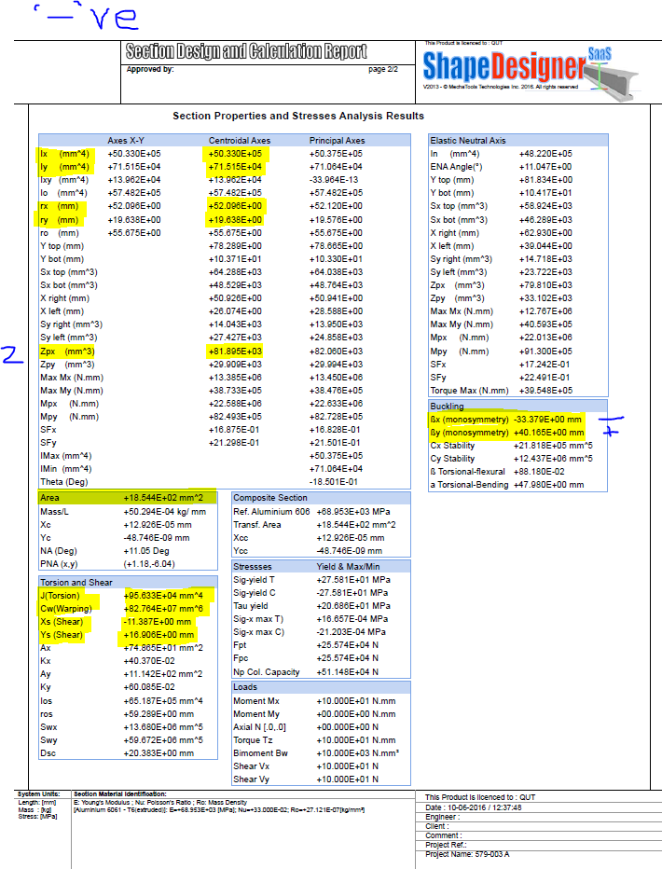
 |  |  |  |  |  |  |  |  |  | Preapre 4 tables
 |  |  |  |  |  |  |  |  |  | Sections | Negative
 |  |  |  |  |  |  |  |  |  |  | Load | Ag | Ratio
 |  |  |  |  |  |  |  |  |  | 579-003 | 4.9714558487 | 1365.1 | 3.6418253965
 |  |  |  |  |  |  |  |  |  | 579-003A

